PAGE LAYOUT
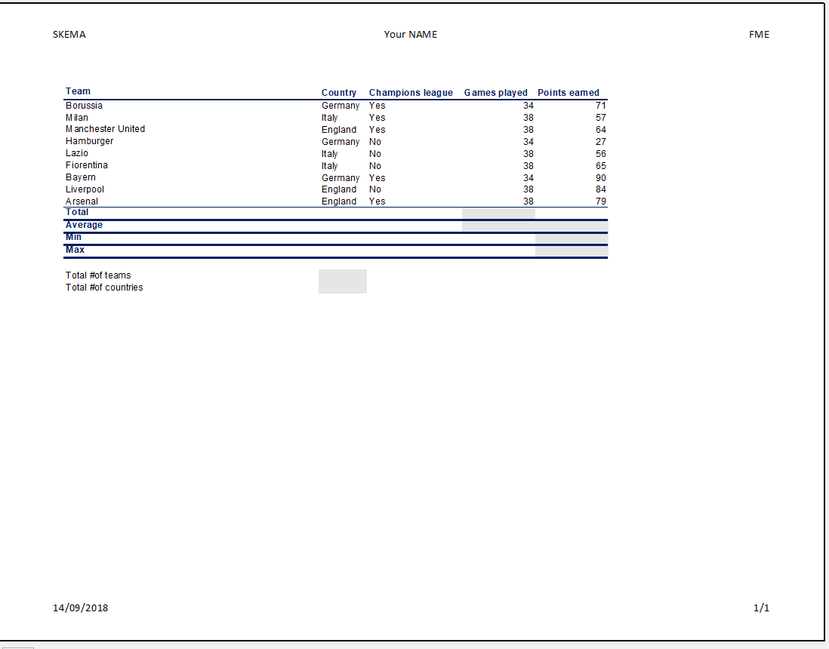
SUMMARY

Layout the BASIC CALCULATIONS sheet according to this model

DROP DOWN LIST
Using the STOCKS tool (DATA/STOCKS), import the data in the corresponding columns |  |  |  |  | Create a drop down list of company names and associate related values
COMPANY | NAME | CLOSE PRICE | MARKET VALUE | SUMMARY
 | L'AIR LIQUIDE SOCIETE ANONYME POUR L'ETUDE ET L'EXPLOITATION DES PROCEDES GEORGES CLAUDE SA | € 176.58 | 102,152 M€ |  | COMPANY NAME | BNP PARIBAS SA
 | Airbus SE | € 202.05 | 161,269 M€
 | ALSTOM SA | € 22.53 | 10,410 M€ |  | CLOSE PRICE | 77.53
 | ArcelorMittal SA | € 38.16 | 32,308 M€
 | AXA SA | € 48.32 | 88,118 M€ |  | MARKET VALUE | 87,672 M€
 | BNP PARIBAS SA | € 77.53 | 87,672 M€
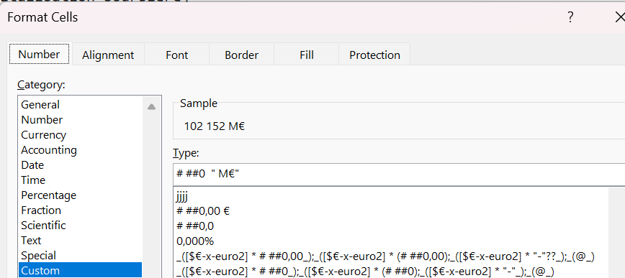
 | BOUYGUES SA | € 39.07 | 14,728 M€
 | Capgemini SE | € 124.85 | 21,393 M€
 | CARREFOUR SA | € 13.05 | 9,609 M€
 | CREDIT AGRICOLE SA | € 16.95 | 51,677 M€
 | DANONE SA | € 73.84 | 50,314 M€
 | DASSAULT SYSTEMES SE | € 29.37 | 39,399 M€
 | ENGIE SA | € 18.60 | 45,284 M€
 | ESSILORLUXOTTICA SA | € 280.20 | 128,194 M€
 | EUROFINS SCIENTIFIC SE | € 62.84 | 11,447 M€
 | KERING SA | € 286.90 | 36,761 M€
 | LEGRAND SA | € 142.10 | 37,265 M€
 | L'ORÉAL SA | € 374.20 | 199,525 M€ | To display in K€, you type # ##0 "M€" (1 space between 0 and ")
 | LVMH MOET HENNESSY LOUIS VUITTON SE | € 542.90 | 271,527 M€ | To display in M€, you type # ##0 "M€" (2 spaces between 0 and ")
 | COMPAGNIE GENERALE DES ETABLISSEMENTS MICHELIN SCA | € 31.32 | 22,104 M€
 | ORANGE SA | € 13.54 | 35,432 M€
 | PERNOD RICARD SA | € 83.62 | 21,095 M€
 | PUBLICIS GROUPE S.A. | € 82.36 | 20,945 M€
 | RENAULT SA | € 35.76 | 10,575 M€
 | SAFRAN SA | € 303.60 | 128,615 M€
 | COMPAGNIE DE SAINT-GOBAIN SA | € 93.60 | 46,713 M€
 | SANOFI SA | € 85.04 | 104,384 M€
 | SCHNEIDER ELECTRIC SE | € 250.50 | 144,569 M€
 | SOCIETE GENERALE SA | € 56.72 | 44,535 M€
 | STMicroelectronics NV | € 28.89 | 26,288 M€
 | TELEPERFORMANCE SE | € 63.60 | 3,808 M€
 | THALES SA | € 273.00 | 56,222 M€
 | TotalEnergies SE | € 50.98 | 112,636 M€
 | UNIBAIL-RODAMCO-WESTFIELD SE | € 4.28 | 12,486 M€
 | VEOLIA ENVIRONNEMENT SA | € 29.22 | 21,673 M€
 | VINCI SA | € 118.45 | 69,041 M€
 | VIVENDI SE | € 3.11 | 3,199 M€
 | WORLDLINE SA | € 3.12 | 884 M€

CHOOSE
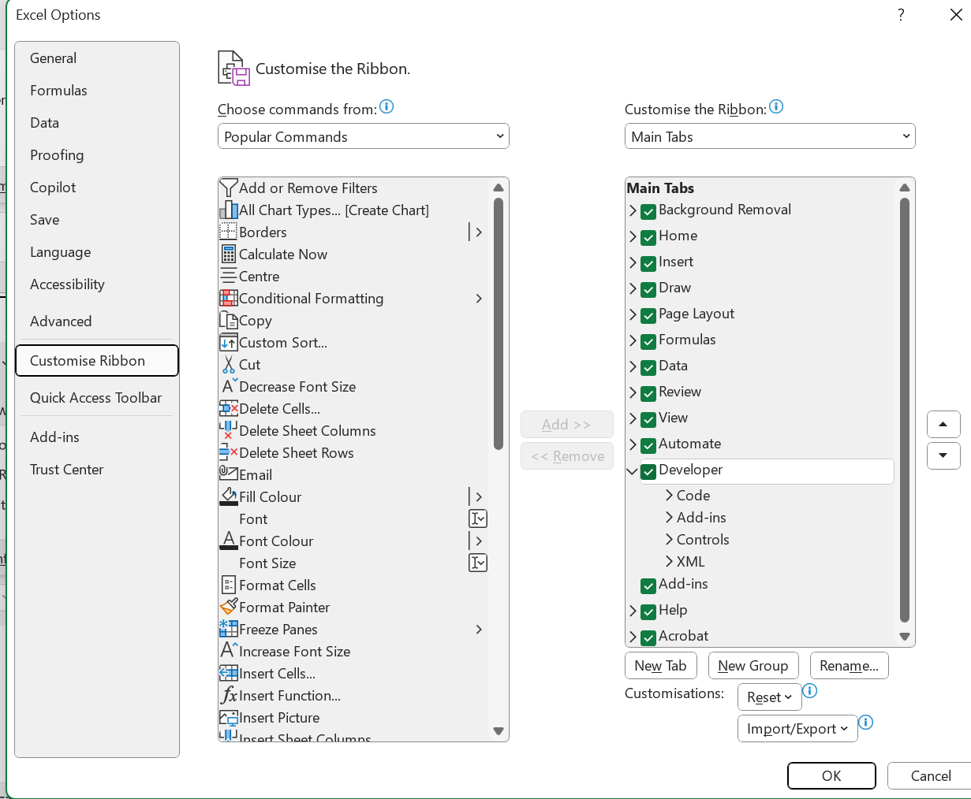
 | SUMMARY

 | $ in billion |  | FY26 | FY27 | FY28 | FY29
1 | Optimistic case |  | 125 | 135 | 145 | 150
2 | Base case |  | 120 | 132 | 140 | 144
3 | Worst case |  | 111 | 109 | 104 | 98
 |  | Selected case as the number
 | Select the case by using a drop down list with "Data validation" | 2 | 120 | 132 | 140 | 144

 |  | Selected case as the label
 | Select the case by using a drop down list with "Data validation" | Base case | #VALUE! | #VALUE! | #VALUE! | #VALUE!

 |  | Selected case as the label
 | Select the case by using a drop down list with a COMBO BOX | 2 | 120 | 132 | 140 | 144

DATE
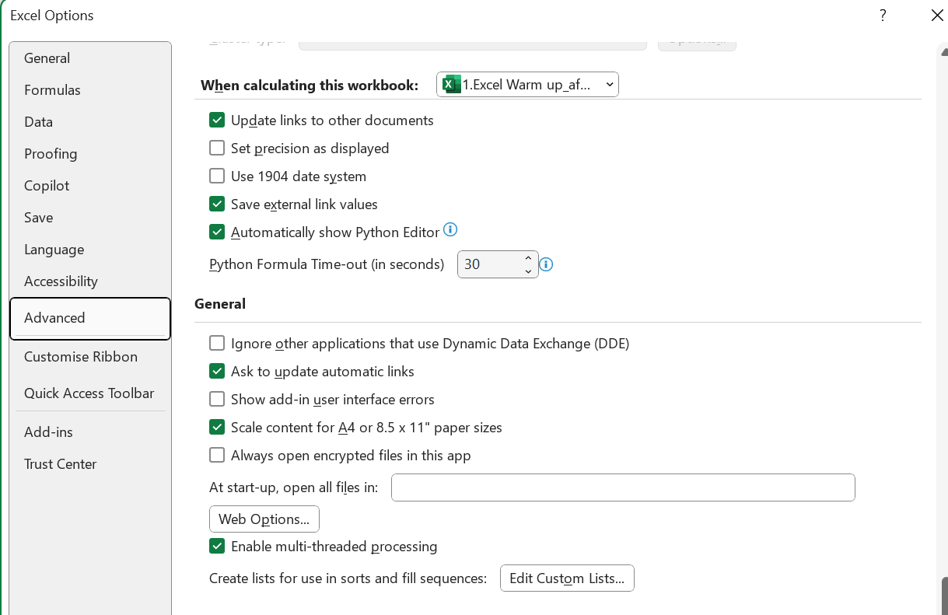
SUMMARY

 | EDATE | EOMONTH | DAY | MONTH | YEAR | "+ 3 YEARS" | DAY of the week
 | 2025-10-04 | 2025-10-31 | 31 | 10 | 2025 | 2028-10-31 | 2028-10-31
 | 2025-11-04 | 2025-11-30 | 30 | 11 | 2025 | 2028-11-30 | 2028-11-30
 | 2025-12-04 | 2025-12-31 | 31 | 12 | 2025 | 2028-12-31 | 2028-12-31
 | 2026-01-04 | 2026-01-31 | 31 | 1 | 2026 | 2029-01-31 | 2029-01-31
 | 2026-02-04 | 2026-02-28 | 28 | 2 | 2026 | 2029-02-28 | 2029-02-28
 | 2026-03-04 | 2026-03-31 | 31 | 3 | 2026 | 2029-03-31 | 2029-03-31
 | 2026-04-04 | 2026-04-30 | 30 | 4 | 2026 | 2029-04-30 | 2029-04-30
 | 2026-05-04 | 2026-05-31 | 31 | 5 | 2026 | 2029-05-31 | 2029-05-31
 | 2026-06-04 | 2026-06-30 | 30 | 6 | 2026 | 2029-06-30 | 2029-06-30
 | 2026-07-04 | 2026-07-31 | 31 | 7 | 2026 | 2029-07-31 | 2029-07-31
 | 2026-08-04 | 2026-08-31 | 31 | 8 | 2026 | 2029-08-31 | 2029-08-31
 | 2026-09-04 | 2026-09-30 | 30 | 9 | 2026 | 2029-09-30 | 2029-09-30

GOAL SEEK
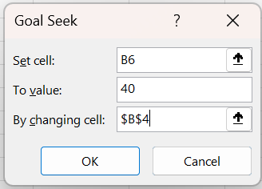
SUMMARY

$ in billion | FY11
Revenues
Variable costs | -17
Gross Margin | -17

DATA TABLE one entry
Data tables

Parameter | Value |  | To be paid
i | 11.196% |  | 1700 | 1. Generate a vertical table which displays the sensitivity of the amount to be paid according to the rate value.
Financing | 1000 | 9.0% | 1539 | 2. Highlight in red the values > 1700
t | 5 | 9.5% | 1574 | 3. Find the rate which gives an amount to be paid = 1700
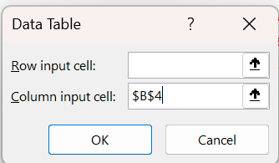
 |  | 10.0% | 1611
To be paid | 1700 | 10.5% | 1647
 |  | 11.0% | 1685
 |  | 11.5% | 1723
 |  | 12.0% | 1762
 |  | 12.5% | 1802
SUMMARY |  | 13.0% | 1842
 |  | 13.5% | 1884
 |  | 14.0% | 1925
 |  | 14.5% | 1968
 |  | 15.0% | 2011
 |  | 15.5% | 2055

WHAT IF
Investment of 2000 $ over 3 years with 2,5% fixed rate |  |  | SUMMARY

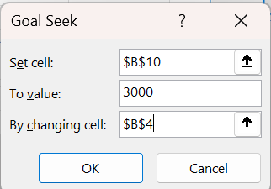
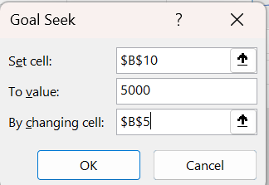
Rate | 2.50%
Duration | 3
Regular Deposit | 0
PV | $2,000
Type (not compulsory)

FV | $2,154
What would be the rate to get $ 3 000 ? | 14.47% | Goal seek 1
What would be the PV to get $ 5 000 ? | 3,333 | Goal seek 2

What would be the FV according a range of rates and durations? |  | DATA TABLE
 | $2,154 | 1 | 2 | 3 | 4 | 5
 | 5% | $2,100.0 | $2,205.0 | $2,315.3 | $2,431.0 | $2,552.6
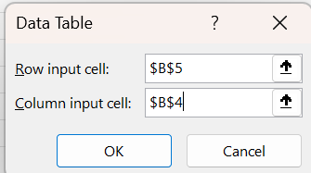
 | 6% | $2,120.0 | $2,247.2 | $2,382.0 | $2,525.0 | $2,676.5
 | 7% | $2,140.0 | $2,289.8 | $2,450.1 | $2,621.6 | $2,805.1
 | 8% | $2,160.0 | $2,332.8 | $2,519.4 | $2,721.0 | $2,938.7
 | 9% | $2,180.0 | $2,376.2 | $2,590.1 | $2,823.2 | $3,077.2
 | 10% | $2,200.0 | $2,420.0 | $2,662.0 | $2,928.2 | $3,221.0
 | 11% | $2,220.0 | $2,464.2 | $2,735.3 | $3,036.1 | $3,370.1
 | 12% | $2,240.0 | $2,508.8 | $2,809.9 | $3,147.0 | $3,524.7
 | 13% | $2,260.0 | $2,553.8 | $2,885.8 | $3,260.9 | $3,684.9
 | 14% | $2,280.0 | $2,599.2 | $2,963.1 | $3,377.9 | $3,850.8
 | 15% | $2,300.0 | $2,645.0 | $3,041.7 | $3,498.0 | $4,022.7

PIVOT TABLE
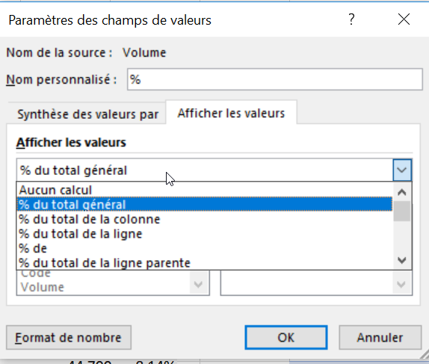
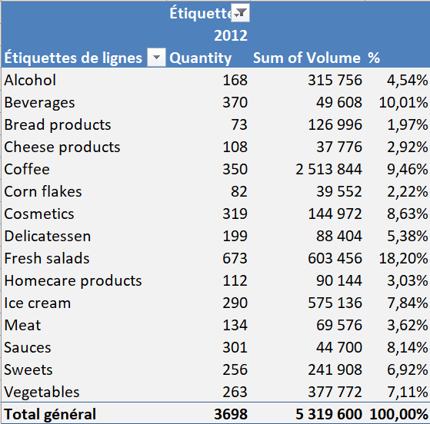
Following this model, built a pivot table. |  | SUMMARY | Year | 2012
Click here to get the data: | Get the data |  |  |  | Need help?
 |  |  | Row Labels | Sum of Volume | %
 |  |  | Alcohol | 315,756 | 4.54%
 |  |  | Beverages | 49,608 | 10.01%
 |  |  | Bread products | 126,996 | 1.97%
 |  |  | Cheese products | 37,776 | 2.92%
 |  |  | Coffee | 2,513,844 | 9.46%
 |  |  | Corn flakes | 39,552 | 2.22%
 |  |  | Cosmetics | 144,972 | 8.63%
 |  |  | Delicatessen | 88,404 | 5.38%
 |  |  | Fresh salads | 603,456 | 18.20%
 |  |  | Homecare products | 90,144 | 3.03%
 |  |  | Ice cream | 575,136 | 7.84%
 |  |  | Meat | 69,576 | 3.62%
 |  |  | Sauces | 44,700 | 8.14%
 |  |  | Sweets | 241,908 | 6.92%
 |  |  | Vegetables | 377,772 | 7.11%
 |  |  | Grand Total | 5,319,600 | 100.00%

